GLSN of 2015_method #1
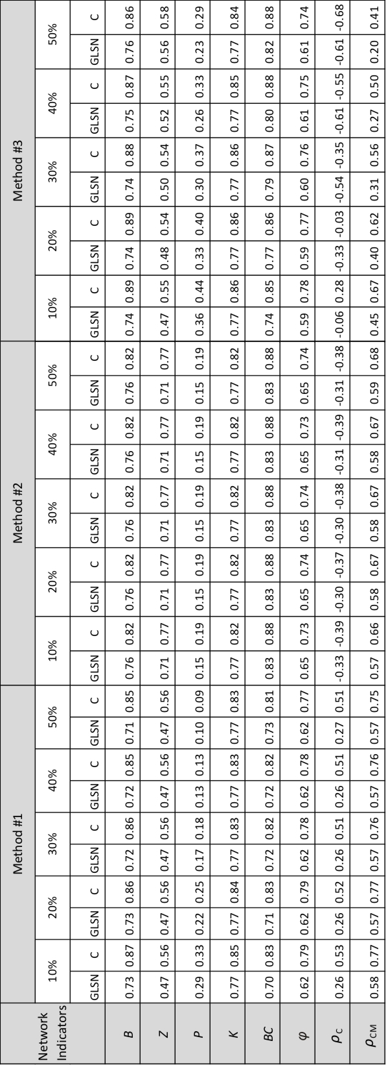
Network indicators | percent of edges | GLSN | C
B | 10 | 0.73 | 0.87
 | 20 | 0.73 | 0.86
 | 30 | 0.72 | 0.86
 | 40 | 0.72 | 0.85
 | 50 | 0.71 | 0.85
BC | 10 | 0.7 | 0.83
 | 20 | 0.71 | 0.83
 | 30 | 0.72 | 0.82
 | 40 | 0.72 | 0.82
 | 50 | 0.73 | 0.81
K | 10 | 0.77 | 0.85
 | 20 | 0.77 | 0.84
 | 30 | 0.77 | 0.83
 | 40 | 0.77 | 0.83
 | 50 | 0.77 | 0.83
P | 10 | 0.29 | 0.33
 | 20 | 0.22 | 0.25
 | 30 | 0.17 | 0.18
 | 40 | 0.13 | 0.13
 | 50 | 0.1 | 0.09
Z | 10 | 0.47 | 0.56
 | 20 | 0.47 | 0.56
 | 30 | 0.47 | 0.56
 | 40 | 0.47 | 0.56
 | 50 | 0.47 | 0.56
phi | 10 | 0.62 | 0.79
 | 20 | 0.62 | 0.79
 | 30 | 0.62 | 0.78
 | 40 | 0.62 | 0.78
 | 50 | 0.62 | 0.77
rho_C | 10 | 0.26 | 0.53
 | 20 | 0.26 | 0.52
 | 30 | 0.26 | 0.51
 | 40 | 0.26 | 0.51
 | 50 | 0.27 | 0.51
rho_CM | 10 | 0.58 | 0.77
 | 20 | 0.57 | 0.77
 | 30 | 0.57 | 0.76
 | 40 | 0.57 | 0.76
 | 50 | 0.57 | 0.75

